Disclosures
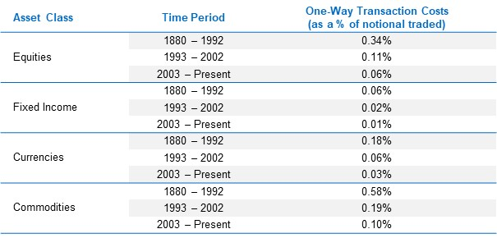
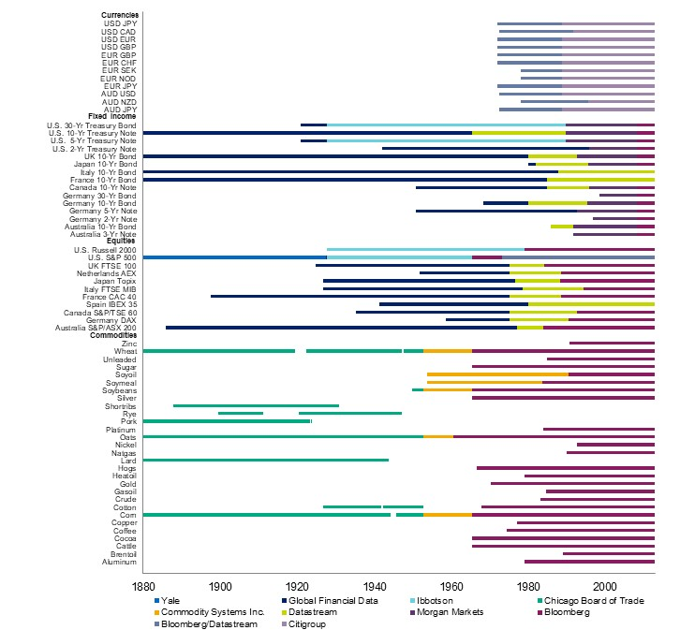
Performance Disclosures
This document has been provided to you solely for information purposes and does not constitute an offer or solicitation of an offer or any advice or recommendation to purchase any securities or other financial instruments and may not be construed as such. The factual information set forth herein has been obtained or derived from sources believed to be reliable but it is not necessarily all-inclusive and is not guaranteed as to its accuracy and is not to be regarded as a representation or warranty, express or implied, as to the information's accuracy or completeness, nor should the attached information serve as the basis of any investment decision. This document is intended exclusively for the use of the person to whom it has been delivered and it is not to be reproduced or redistributed to any other person. For one on one presentation use only.
All performance figures contained herein reflect the reinvestment of dividends and all other earnings and represent unaudited estimates of realized and unrealized gains and losses prepared by AQR Capital Management, LLC. There is no guarantee as to the above information's accuracy or completeness. Past performance is not a guarantee of future results.
HYPOTHETICAL PERFORMANCE RESULTS HAVE MANY INHERENT LIMITATIONS, SOME OF WHICH, ARE DESCRIBED BELOW NO REPRESENTATION IS BEING MADE THAT ANY FUND OR ACCOUNT WILL OR IS LIKELY TO ACHIEVE PROFITS OR LOSSES SIMILAR TO THOSE SHOWN HEREIN. IN FACT, THERE ARE FREQUENTLY SHARP DIFFERENCES BETWEEN HYPOTHETICAL PERFORMANCE RESULTS AND THE ACTUAL RESULTS SUBSEQUENTLY REALIZED BY ANY PARTICULAR TRADING PROGRAM. ONE OF THE LIMITATIONS OF HYPOTHETICAL PERFORMANCE RESULTS IS THAT THEY ARE GENERALLY PREPARED WITH THE BENEFIT OF HINDSIGHT. IN ADDITION, HYPOTHETICAL TRADING DOES NOT INVOLVE FINANCIAL RISK, AND NO HYPOTHETICAL TRADING RECORD CAN COMPLETELY ACCOUNT FOR THE IMPACT OF FINANCIAL RISK IN ACTUAL TRADING. FOR EXAMPLE, THE ABILITY TO WITHSTAND LOSSES OR TO ADHERE TO A PARTICULAR TRADING PROGRAM IN SPITE OF TRADING LOSSES ARE MATERIAL POINTS THAT CAN ADVERSELY AFFECT ACTUAL TRADING RESULTS. THERE ARE NUMEROUS OTHER FACTORS RELATED TO THE MARKETS IN GENERAL OR TO THE IMPLEMENTATION OF ANY SPECIFIC TRADING PROGRAM WHICH CANNOT BE FULLY ACCOUNTED FOR IN THE PREPARATION OF HYPOTHETICAL PERFORMANCE RESULTS, ALL OF WHICH CAN ADVERSELY AFFECT ACTUAL TRADING RESULTS. The hypothetical performance results contained herein represent the application of the quantitative models as currently in effect on the date first written above and there can be no assurance that the models will remain the same in the future or that an application of the current models in the future will produce similar results because the relevant market and economic conditions that prevailed during the hypothetical performance period will not necessarily recur. Discounting factors may be applied to reduce suspected anomalies. This backtest’s return, for this period, may vary depending on the date it is run. Hypothetical performance results are presented for illustrative purposes only. In addition, our transaction cost assumptions utilized in backtests, where noted, are based on AQR Capital Management, LLC’s, (“AQR”)’s historical realized transaction costs and market data. Certain of the assumptions have been made for modeling purposes and are unlikely to be realized. No representation or warranty is made as to the reasonableness of the assumptions made or that all assumptions used in achieving the returns have been stated or fully considered. Changes in the assumptions may have a material impact on the hypothetical returns presented. Actual advisory fees for products offering this strategy may vary.
Broad-based securities indices are unmanaged and are not subject to fees and expenses typically associated with managed accounts or investment funds. Investments cannot be made directly in an index.
The ICE BofAML 3-Month U.S. Treasury Bill Index tracks the performance of the U.S. dollar denominated U.S. Treasury Bills publicly issued in the U.S. domestic market with a remaining term to final maturity of less than 3 months.
There is a risk of substantial loss associated with trading commodities, futures, options, derivatives and other financial instruments. Before trading, investors should carefully consider their financial position and risk tolerance to determine if the proposed trading style is appropriate. Investors should realize that when trading futures, commodities, options, derivatives and other financial instruments one could lose the full balance of their account. It is also possible to lose more than the initial deposit when trading derivatives or using leverage. All funds committed to such a trading strategy should be purely risk capital.
Hypothetical Alternative Trends Strategy
The Hypothetical Alternative Trends Strategy was constructed with an equal-weighted combination of 1-month, 3-month, and 12-month trend-following strategies for markets across 6 major asset groups – equity factor portfolios, credit indices, interest rate swaps, emerging currencies, alternative commodities, and volatility futures – from January 1990 onward. Since not all markets have the same length of historic return data available, we construct the strategies using the largest number of assets for which return data exist at each point in time. We use futures returns when they are available. The strategy targets long-term volatility target of 10%.
In order to calculate net-of-fee returns for the time series momentum strategy, we subtracted a 1.25% annual management fee and a 20% performance fee per annum from the gross-of-fee returns to the strategy. The performance fee is calculated and accrued on a monthly basis, but is subject to an annual high-water mark. In other words, a performance fee is subtracted from the gross returns in a given year only if the returns in the fund are large enough that the fund’s NAV at the end of the year exceeds every previous end of year NAV. The transactions costs used in the strategy are based on proprietary estimates of transaction costs for each market traded, including market impact and commissions.
Hypothetical Price-Based Trend-Following Strategy
The Hypothetical Price-Based Trend-Following Strategy model uses data from January 1880 onward. The investment strategy is based on trend-following investing which involves going long markets that have been rising and going short markets that have been falling, betting that those trends over the examined look-back periods will continue. The strategy was constructed with an equal-weighted combination of 1-month, 3-month, and 12-month trend-following strategies for 67 markets across 4 major asset classes: 29 commodities, 11 equity indices, 15 bond markets, and 12 currency pairs. Since not all markets have return data going back to 1880, we construct the strategies using the largest number of assets for which return data exist at each point in time. We use futures returns when they are available. Prior to the availability of futures data, we rely on cash index returns financed at local short rates for each country. Please see Figure 2 for additional details. The strategy targets a long-term volatility target of 10%.
Hypothetical performance is net of advisory fees and net of transaction costs, unless stated otherwise. In order to calculate net-of-fee returns, we subtracted a 1.25% annual management fee and a 20% performance fee from the gross-of-fee, net-of-transaction-cost returns to the strategy. The transactions costs used in the strategy are based on proprietary estimates of average transaction costs for each of the four asset classes, including market impact and commissions. The transaction costs are assumed to be twice as high from 1993 to 2002 and six times as high from 1880–1992. The transaction costs used are shown in Figure 1.
This model is not based on an actual portfolio AQR manages.
The benchmark and relevant cash rate is assumed to be ICE BofA 3-Month T-Bill. Prior to 1929 when 3-month Treasury bills became available, the benchmark and relevant cash rate is assumed to be the NYSE call money rates (the rates for collateralized loans) through 1920 and returns on short-term government debt (certificates of indebtedness) from 1920 until 1929.
Figure 1
Figure 2
This model is not based on an actual portfolio AQR manages.
The benchmark and relevant cash rate is assumed to be 3-month Treasury bills
This is a marketing Communication in the European Economic Area (“EEA”) and approved as a Financial Promotion in the United Kingdom (“UK”). It is only intended for Professional Clients.
Information for clients in the United Kingdom
The information set forth herein has been prepared and issued by AQR Capital Management (Europe) LLP, a UK
limited liability partnership with its office at Charles House 5-11, Regent St., London, SW1Y 4LR, which is authorised and
regulated by the UK Financial Conduct Authority (“FCA”).
Information for clients in the EEA
AQR in the European Economic Area is AQR Capital Management (Germany) GmbH, a German limited liability
company (Gesellschaft mit beschränkter Haftung; “GmbH”), with registered offices at Maximilianstrasse 13, 80539 Munich,
authorized and regulated by the German Federal Financial Supervisory Authority (Bundesanstalt für
Finanzdienstleistungsaufsicht, „BaFin“), with offices at Marie-Curie-Str. 24-28, 60439, Frankfurt am Main und Graurheindorfer
Str. 108, 53117 Bonn, to provide the services of investment advice (Anlageberatung) and investment broking
(Anlagevermittlung) pursuant to the German Securities Institutions Act (Wertpapierinstitutsgesetz; “WpIG”). The Complaint
Handling Procedure for clients and prospective clients of AQR in the European Economic Area can be found here:
https://ucits.aqr.com/Legal-and-Regulatory.
Request ID: 383663

